Sheet1
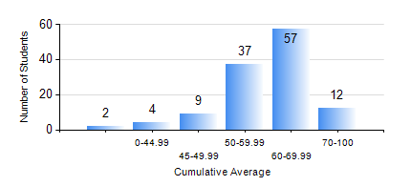
 |  |  | KWAME NKRUMAH UNIVERSITY OF SCIENCE AND TECHNOLOGY, KUMASI Department of Geological Engineering

 |  |  | BSC. GEOLOGICAL ENG.

 |  |  | COMPREHENSIVE RECORD OF EXAMINATION RESULTS

 |  |  | RESULTS OF YEAR 2 SECOND SEMESTER, 2018/2019 ACADEMIC YEAR

 | Sn | Course Code |  | Course Name | Credit Hours | Min. Mark | Max. Mark | Avg. Mark | Std. Dev. | No. Passed | No. Trailed | No. (Df) | No. (I) | No. (I*) | No. Tagged(I,I*,Df) | Total
 | 0. |  |  |  |  |  |  | 0 | 0 | 0 | 0 | 0 | 0 | 0 | 0 | 12
 | 1. | CE 256 |  | FLUID MECHANICS | 3 | 33 | 89 | 61 | 11.39 | 107 | 2 | 0 | 0 | 0 | 0 | 109
 | 2. | GE 282 |  | LARGE SCALE SURVEYING | 3 | 40 | 91 | 62 | 12.31 | 109 | 0 | 0 | 0 | 0 | 0 | 109
 | 3. | GED 252 |  | STRATIGRAPHY | 3 | 0 | 71 | 57 | 9.41 | 108 | 1 | 0 | 0 | 0 | 0 | 109
 | 4. | GED 254 |  | ROCK ENGINEERING | 2 | 18 | 88 | 56 | 14.29 | 102 | 7 | 0 | 0 | 0 | 0 | 109
 | 5. | GED 258 |  | OPTICAL MINERALOGY | 2 | 23 | 88 | 69 | 10.17 | 108 | 1 | 0 | 0 | 0 | 0 | 109
 | 6. | GED 262 |  | INTRODUCTION TO SOIL MECHANICS | 2 | 13 | 81 | 50 | 10.6 | 105 | 4 | 0 | 0 | 0 | 0 | 109
 | 7. | MATH 252 |  | ANALYSIS IV | 4 | 40 | 88 | 59 | 10.03 | 109 | 0 | 0 | 0 | 0 | 0 | 109

